Welcome
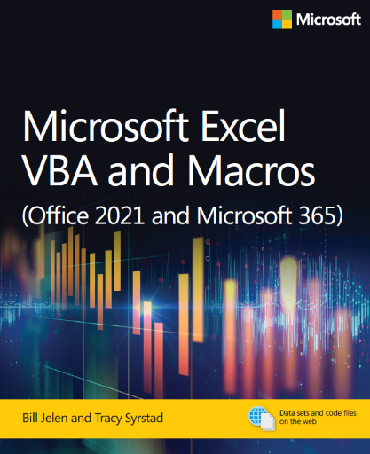
Microsoft Excel VBA and Macros (Office 2021 and Microsoft 365)
by Bill Jelen and Tracy Syrstad
ISBN 978-0-13-752152-4

Chapter 11- Advanced Filters

This chapter demonstrates a number of different Filters, building to a cool
macro that can create 27 reports in about a minute.

Filters are fast, using built-in functionality from Excel. At MrExcel Consulting,
we use these techniques regularly in our client's reports.

